H2 to electricity
Raum | Technologie | Referenzdaten |  |  |  | Invest [€/kW] |  |  |  |  |  |  | Fixe Betriebkosten [€/kWa] |  |  |  |  |  |  | Variable Betriebskosten [€/kWh] |  |  |  |  |  |  | Effizienz [%] |  |  |  |  |  |  | Lebensdauer [a] | Kommentar
 |  | NR | Kürzel | Veröffentl. | Link | 2020 | 2025 | 2030 | 2040 | 2045 | 2050 | 2060 | 2020 | 2025 | 2030 | 2040 | 2045 | 2050 | 2060 | 2020 | 2025 | 2030 | 2040 | 2045 | 2050 | 2060 | 2020 | 2025 | 2030 | 2040 | 2045 | 2050 | 2060
Global | Fuel Cell | 4 | PyPSA | 2022 | Link | 1300.00 | 1200.00 | 1100.00 | 950.00 | 875.00 | 800.00 | 800.00 | 65.00 | 60.00 | 55.00 | 47.50 | 43.75 | 40.00 | 40.00 |  |  |  |  |  |  |  | 50 | 50 | 50 | 50 | 50 | 50 | 50 | 10
 |  | 11 | Irena | 2022 | Link | 1500.00 | 1384.62 | 1269.23 | 1096.15 | 1009.62 | 923.08 | 923.08 |  |  |  |  |  |  |  |  |  |  |  |  |  |  | 56 | 56 | 56 | 56 | 56 | 56 | 56
 |  |  | US dep | 2020 | Link | 975.00 | 945.00 | 915.00 | 712.50 | 656.25 | 600.00 | 600.00 |  |  |  |  |  |  |  |  |  |  |  |  |  |  |  |  |  |  |  |  |  |  |  | FOM-Faktoren
 | min. |  |  |  |  | 975.00 | 945.00 | 915.00 | 712.50 | 656.25 | 600.00 | 600.00 | 65.00 | 60.00 | 55.00 | 47.50 | 43.75 | 40.00 | 40.00 |  |  |  |  |  |  |  | 50.00 | 50 | 50 | 50 | 50 | 50 | 50 |  |  | Europa | 1.349
 | Median |  |  |  |  | 1300.00 | 1200.00 | 1100.00 | 950.00 | 875.00 | 800.00 | 800.00 | 65.00 | 60.00 | 55.00 | 47.50 | 43.75 | 40.00 | 40.00 |  |  |  |  |  |  |  | 53.00 | 53 | 53 | 53 | 53 | 53 | 53 |  |  | Amerika | 1.337
 | max. |  |  |  |  | 1500.00 | 1384.62 | 1269.23 | 1096.15 | 1009.62 | 923.08 | 923.08 | 65.00 | 60.00 | 55.00 | 47.50 | 43.75 | 40.00 | 40.00 |  |  |  |  |  |  |  | 56.00 | 56 | 56 | 56 | 56 | 56 | 56 |  |  | Asien | 0.583
 | H2-OCGT | 4 | PyPSA | 2022 | Link | 685.07 | 670.94 | 609.34 | 531.35 | 524.01 | 516.67 | 516.67 | 17.05 | 16.70 | 14.46 | 11.42 | 11.30 | 11.17 | 11.17 | 0.0045 | 0.0045 | 0.0045 | 0.0045 | 0.0045 | 0.0045 | 0.0045 | 40 | 40.5 | 41 | 42 | 42.5 | 43 | 43 | 25
 |  | 5 | Agora | 2021 | Link | 830.00 | 830.00 | 770.00 | 690.00 | 690.00 | 690.00 | 690.00 | 21.00 | 21.00 | 20.00 | 19.00 | 18.00 | 18.00 | 18.00 |  |  |  |  |  |  |  |  |  |  |  |  |  |  | 40
 |  |  | ECA | 2021 | Link | 455.00 |  |  |  |  |  |  | 20.30 |  |  |  |  |  |  |  |  |  |  |  |  |  | 34
 | min. |  |  |  |  | 455.00 | 670.94 | 609.34 | 531.35 | 524.01 | 516.67 | 516.67 | 17.05 | 16.70 | 14.46 | 11.42 | 11.30 | 11.17 | 11.17 |  |  |  |  |  |  |  | 34
 | Median |  |  |  |  | 685.07 | 750.47 | 689.67 | 610.68 | 607.01 | 603.34 | 603.34 | 20.30 | 18.85 | 17.23 | 15.21 | 14.65 | 14.59 | 14.59 |  |  |  |  |  |  |  | 37 | 37.5 | 38 | 39 | 39.5 | 40 | 40 | 32.5
 | max. |  |  |  |  | 830.00 | 830.00 | 770.00 | 690.00 | 690.00 | 690.00 | 690.00 | 21.00 | 21.00 | 20.00 | 19.00 | 18.00 | 18.00 | 18.00 |  |  |  |  |  |  |  | 40

Europa |  | 4 | PyPSA | 2022 | Link | 1300.00 | 1200.00 | 1100.00 | 950.00 | 875.00 | 800.00 | 800.00 | 87.66 | 80.92 | 74.18 | 64.06 | 59.00 | 53.95 | 53.95 |  |  |  |  |  |  |  | 50 | 50 | 50 | 50 | 50 | 50 | 50 | 10
 |  | 11 | Irena | 2022 | Link | 1500.00 | 0.00 | 0.00 | 0.00 | 0.00 | 0.00 | 923.08 |  |  |  |  |  |  |  |  |  |  |  |  |  |  | 56 | 56 | 56 | 56 | 56 | 56 | 56
 |  |  | US dep | 2020 | Link | 975.00 | 945.00 | 915.00 | 0.00 | 0.00 | 0.00 | 600.00
 | min. |  |  |  |  | 975.00 | 0.00 | 0.00 | 0.00 | 0.00 | 0.00 | 600.00 | 87.66 | 80.92 | 74.18 | 64.06 | 59.00 | 53.95 | 53.95 |  |  |  |  |  |  |  | 50.00 | 50 | 50 | 50 | 50 | 50 | 50
 | Median |  |  |  |  | 1300.00 | 945.00 | 915.00 | 0.00 | 0.00 | 0.00 | 800.00 | 87.66 | 80.92 | 74.18 | 64.06 | 59.00 | 53.95 | 53.95 |  |  |  |  |  |  |  | 53.00 | 53 | 53 | 53 | 53 | 53 | 53
 | max. |  |  |  |  | 1500.00 | 1200.00 | 1100.00 | 950.00 | 875.00 | 800.00 | 923.08 | 87.66 | 80.92 | 74.18 | 64.06 | 59.00 | 53.95 | 53.95 |  |  |  |  |  |  |  | 56.00 | 56 | 56 | 56 | 56 | 56 | 56
 |  | 4 | PyPSA | 2022 | Link | 453.96 | 444.60 | 435.24 | 423.54 | 417.69 | 411.84 | 516.67 | 10.88 | 10.66 | 10.45 | 10.23 | 10.12 | 10.01 | 10.01 | 0.0045 | 0.0045 | 0.0045 | 0.0045 | 0.0045 | 0.0045 | 0.0045 | 40 | 40.5 | 41 | 42 | 42.5 | 43 | 43 | 25
 |  | 5 | Agora | 2021 | Link | 830.00 | 830.00 | 770.00 | 690.00 | 690.00 | 690.00 | 690.00 | 28.32 | 28.32 | 26.97 | 25.62 | 24.28 | 24.28 | 24.28 |  |  |  |  |  |  |  |  |  |  |  |  |  |  | 40
 |  |  | ECA | 2021 | Link | 455.00 |  |  |  |  |  |  | 27.38 |  |  |  |  |  |  |  |  |  |  |  |  |  | 34
 | min. |  |  |  |  | 453.96 | 444.60 | 435.24 | 423.54 | 417.69 | 411.84 | 516.67 | 10.88 | 10.66 | 10.45 | 10.23 | 10.12 | 10.01 | 10.01 |  |  |  |  |  |  |  | 34
 | Median |  |  |  |  | 455.00 | 637.30 | 602.62 | 556.77 | 553.85 | 550.92 | 603.34 | 27.38 | 19.49 | 18.71 | 17.93 | 17.20 | 17.14 | 17.14 |  |  |  |  |  |  |  | 37 | 37.5 | 38 | 39 | 39.5 | 40 | 40 | 33
 | max. |  |  |  |  | 830.00 | 830.00 | 770.00 | 690.00 | 690.00 | 690.00 | 690.00 | 28.32 | 28.32 | 26.97 | 25.62 | 24.28 | 24.28 | 24.28 |  |  |  |  |  |  |  | 40

Amerika | Fuel Cell | 4 | PyPSA | 2022 | Link | 1300.00 | 1200.00 | 1100.00 | 950.00 | 875.00 | 800.00 | 800.00 | 86.93 | 80.25 | 73.56 | 63.53 | 58.51 | 53.50 | 53.50 |  |  |  |  |  |  |  | 50 | 50 | 50 | 50 | 50 | 50 | 50 | 10
 |  | 11 | Irena | 2022 | Link | 1500.00 | 0.00 | 0.00 | 0.00 | 0.00 | 0.00 | 923.08 |  |  |  |  |  |  |  |  |  |  |  |  |  |  | 56 | 56 | 56 | 56 | 56 | 56 | 56
 |  |  | US dep | 2020 | Link | 975.00 | 945.00 | 915.00 | 0.00 | 0.00 | 0.00 | 600.00
 | min. |  |  |  |  | 975.00 | 0.00 | 0.00 | 0.00 | 0.00 | 0.00 | 600.00 | 86.93 | 80.25 | 73.56 | 63.53 | 58.51 | 53.50 | 53.50 |  |  |  |  |  |  |  | 50.00 | 50 | 50 | 50 | 50 | 50 | 50
 | Median |  |  |  |  | 1300.00 | 945.00 | 915.00 | 0.00 | 0.00 | 0.00 | 800.00 | 86.93 | 80.25 | 73.56 | 63.53 | 58.51 | 53.50 | 53.50 |  |  |  |  |  |  |  | 53.00 | 53 | 53 | 53 | 53 | 53 | 53
 | max. |  |  |  |  | 1500.00 | 1200.00 | 1100.00 | 950.00 | 875.00 | 800.00 | 923.08 | 86.93 | 80.25 | 73.56 | 63.53 | 58.51 | 53.50 | 53.50 |  |  |  |  |  |  |  | 56.00 | 56 | 56 | 56 | 56 | 56 | 56
 | H2-OCGT | 4 | PyPSA | 2022 | Link | 453.96 | 444.60 | 435.24 | 423.54 | 417.69 | 411.84 | 516.67 | 10.79 | 10.57 | 10.36 | 10.14 | 10.04 | 9.93 | 9.93 | 0.0045 | 0.0045 | 0.0045 | 0.0045 | 0.0045 | 0.0045 | 0.0045 | 40 | 40.5 | 41 | 42 | 42.5 | 43 | 43 | 25
 |  | 5 | Agora | 2021 | Link | 830.00 | 830.00 | 770.00 | 690.00 | 690.00 | 690.00 | 690.00 | 28.09 | 28.09 | 26.75 | 25.41 | 24.07 | 24.07 | 24.07 |  |  |  |  |  |  |  |  |  |  |  |  |  |  | 40
 |  |  | ECA | 2021 | Link | 455.00 |  |  |  |  |  |  | 27.15 |  |  |  |  |  |  |  |  |  |  |  |  |  | 34
 | min. |  |  |  |  | 453.96 | 444.60 | 435.24 | 423.54 | 417.69 | 411.84 | 516.67 | 10.79 | 10.57 | 10.36 | 10.14 | 10.04 | 9.93 | 9.93 |  |  |  |  |  |  |  | 34
 | Median |  |  |  |  | 455.00 | 637.30 | 602.62 | 556.77 | 553.85 | 550.92 | 603.34 | 27.15 | 19.33 | 18.55 | 17.78 | 17.05 | 17.00 | 17.00 |  |  |  |  |  |  |  | 37 | 37.5 | 38 | 39 | 39.5 | 40 | 40 | 33
 | max. |  |  |  |  | 830.00 | 830.00 | 770.00 | 690.00 | 690.00 | 690.00 | 690.00 | 28.09 | 28.09 | 26.75 | 25.41 | 24.07 | 24.07 | 24.07 |  |  |  |  |  |  |  | 40

Asien | Fuel Cell | 4 | PyPSA | 2022 | Link | 1300.00 | 1200.00 | 1100.00 | 950.00 | 875.00 | 800.00 | 800.00 | 37.89 | 34.98 | 32.06 | 27.69 | 25.50 | 23.32 | 23.32 |  |  |  |  |  |  |  | 50 | 50 | 50 | 50 | 50 | 50 | 50 | 10
 |  | 11 | Irena | 2022 | Link | 1500.00 | 0.00 | 0.00 | 0.00 | 0.00 | 0.00 | 923.08 |  |  |  |  |  |  |  |  |  |  |  |  |  |  | 56 | 56 | 56 | 56 | 56 | 56 | 56
 |  |  | US dep | 2020 | Link | 975.00 | 945.00 | 915.00 | 0.00 | 0.00 | 0.00 | 600.00
 | min. |  |  |  |  | 975.00 | 0.00 | 0.00 | 0.00 | 0.00 | 0.00 | 600.00 | 37.89 | 34.98 | 32.06 | 27.69 | 25.50 | 23.32 | 23.32 |  |  |  |  |  |  |  | 50.00 | 50 | 50 | 50 | 50 | 50 | 50
 | Median |  |  |  |  | 1300.00 | 945.00 | 915.00 | 0.00 | 0.00 | 0.00 | 800.00 | 37.89 | 34.98 | 32.06 | 27.69 | 25.50 | 23.32 | 23.32 |  |  |  |  |  |  |  | 53.00 | 53 | 53 | 53 | 53 | 53 | 53
 | max. |  |  |  |  | 1500.00 | 1200.00 | 1100.00 | 950.00 | 875.00 | 800.00 | 923.08 | 37.89 | 34.98 | 32.06 | 27.69 | 25.50 | 23.32 | 23.32 |  |  |  |  |  |  |  | 56.00 | 56 | 56 | 56 | 56 | 56 | 56
 | H2-OCGT | 4 | PyPSA | 2022 | Link | 453.96 | 444.60 | 435.24 | 423.54 | 417.69 | 411.84 | 516.67 | 4.70 | 4.61 | 4.52 | 4.42 | 4.37 | 4.33 | 4.33 | 0.0045 | 0.0045 | 0.0045 | 0.0045 | 0.0045 | 0.0045 | 0.0045 | 40 | 40.5 | 41 | 42 | 42.5 | 43 | 43 | 25
 |  | 5 | Agora | 2021 | Link | 830.00 | 830.00 | 770.00 | 690.00 | 690.00 | 690.00 | 690.00 | 12.24 | 12.24 | 11.66 | 11.08 | 10.49 | 10.49 | 10.49 |  |  |  |  |  |  |  |  |  |  |  |  |  |  | 40
 |  |  | ECA | 2021 | Link | 455.00 |  |  |  |  |  |  | 11.83 |  |  |  |  |  |  |  |  |  |  |  |  |  | 34
 | min. |  |  |  |  | 453.96 | 444.60 | 435.24 | 423.54 | 417.69 | 411.84 | 516.67 | 4.70 | 4.61 | 4.52 | 4.42 | 4.37 | 4.33 | 4.33 |  |  |  |  |  |  |  | 34
 | Median |  |  |  |  | 455.00 | 637.30 | 602.62 | 556.77 | 553.85 | 550.92 | 603.34 | 11.83 | 8.43 | 8.09 | 7.75 | 7.43 | 7.41 | 7.41 |  |  |  |  |  |  |  | 37 | 37.5 | 38 | 39 | 39.5 | 40 | 40 | 33
 | max. |  |  |  |  | 830.00 | 830.00 | 770.00 | 690.00 | 690.00 | 690.00 | 690.00 | 12.24 | 12.24 | 11.66 | 11.08 | 10.49 | 10.49 | 10.49 |  |  |  |  |  |  |  | 40

 | stationary fuel cells are significantly more expensive than mobile ones (e.g. used in FCEVs)
 | most papers only state the costs for mobile systems
 |  |  |  |  |  |  |  |  |  |  | 5 | Agora | 2021 | Link

 |  | 4 | PyPSA | 2022 | Link

 |  |  |  |  |  |  |  |  |  |  |  |  |  |  |  |  |  |  |  |  |  |  |  |  |  |  |  |  |  | Invests: H2 OCGT in 2025 ca.50% and in 2050 ca. 25% more expensive

 |  |  |  |  |  |  |  |  |  |  |  |  |  |  |  |  |  |  |  |  |  |  |  |  |  |  |  |  |  | 2025 | 2030 | 2040 | 2050 | 2060
 |  |  |  |  |  |  |  |  |  |  |  |  |  |  |  |  |  |  |  |  |  |  |  |  |  |  |  |  |  | 0.51 | 0.40 | 0.25 | 0.25 | 0.25

 |  |  |  |  |  |  |  |  |  |  |  |  |  |  |  |  |  |  |  |  |  |  |  |  |  |  |  |  |  | FOM
 |  |  |  |  |  |  |  |  |  |  |  |  |  |  |  |  |  |  |  |  |  |  |  |  |  |  |  |  |  | 2025 | 2030 | 2040 | 2050 | 2060
 |  |  |  |  |  |  |  |  |  |  |  |  |  |  |  |  |  |  |  |  |  |  |  |  |  |  |  |  |  | 0.40 | 0.33 | 0.20 | 0.20 | 0.20

Fuel Cell | 2020 | 2025 | 2030 | 2040 | 2045 | 2050
Costs | 1300 | 1200 | 1100 | 950 | 875 | 800 |  |  |  |  |  |  | ETN Global | 2022 | Link
Decrease to 2020 |  | 0.92 | 0.85 | 0.73 | 0.67 | 0.62
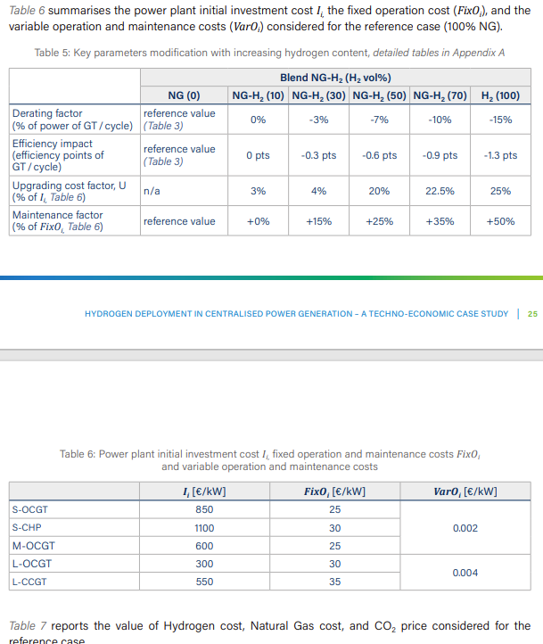

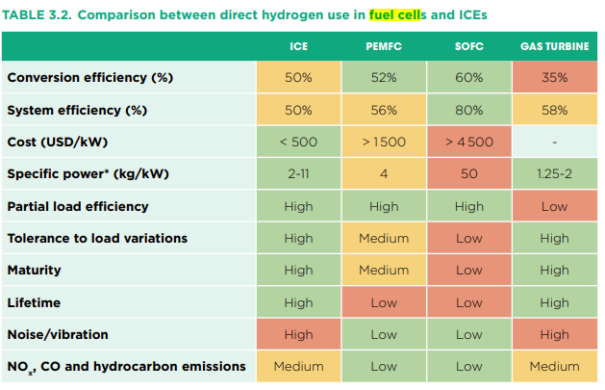
 |  | 11 | Irena | 2022 | Link
 |  |  |  |  |  |  |  |  |  |  |  |  |  |  |  |  |  |  | Invests for H2 in compariosn to NG 25% more expensive
 |  |  |  |  |  |  |  |  |  |  |  |  |  |  |  |  |  |  | FOM 50% more expensive

 |  | ECA | 2021 | Link

 |  | US dep | 2020 | Link

 |  |  |  |  |  |  |  |  |  | 2020: 1€ / 1,1422 $

 |  |  |  |  |  |  |  |  |  | 2018=2020 | 2030
 |  |  |  |  |  |  |  |  |  | 975 | 915

